Rezultati
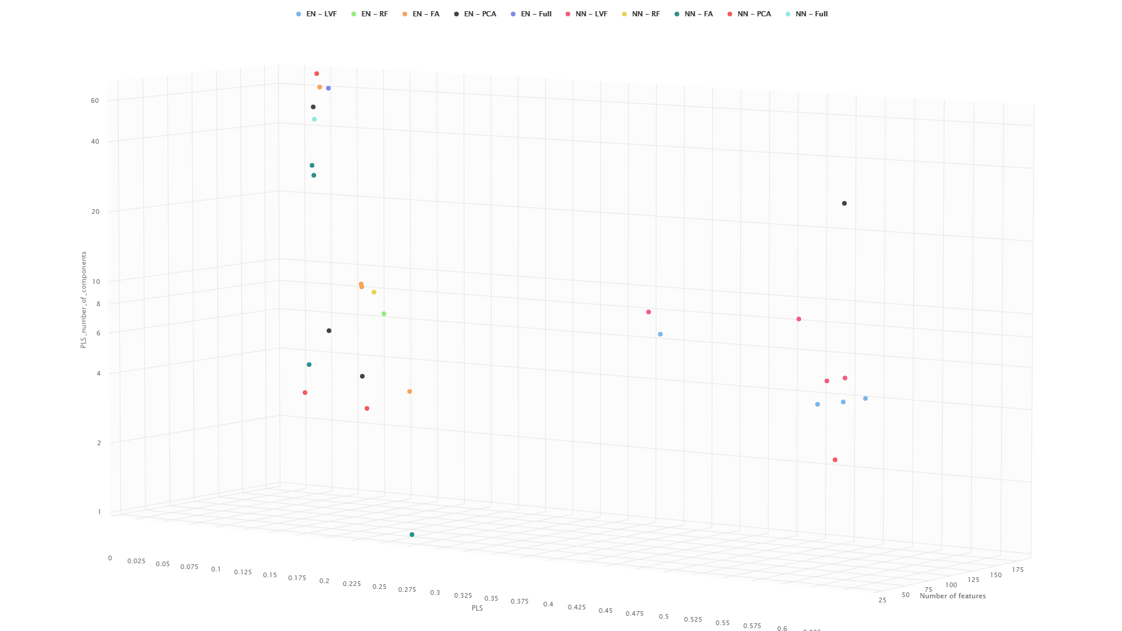
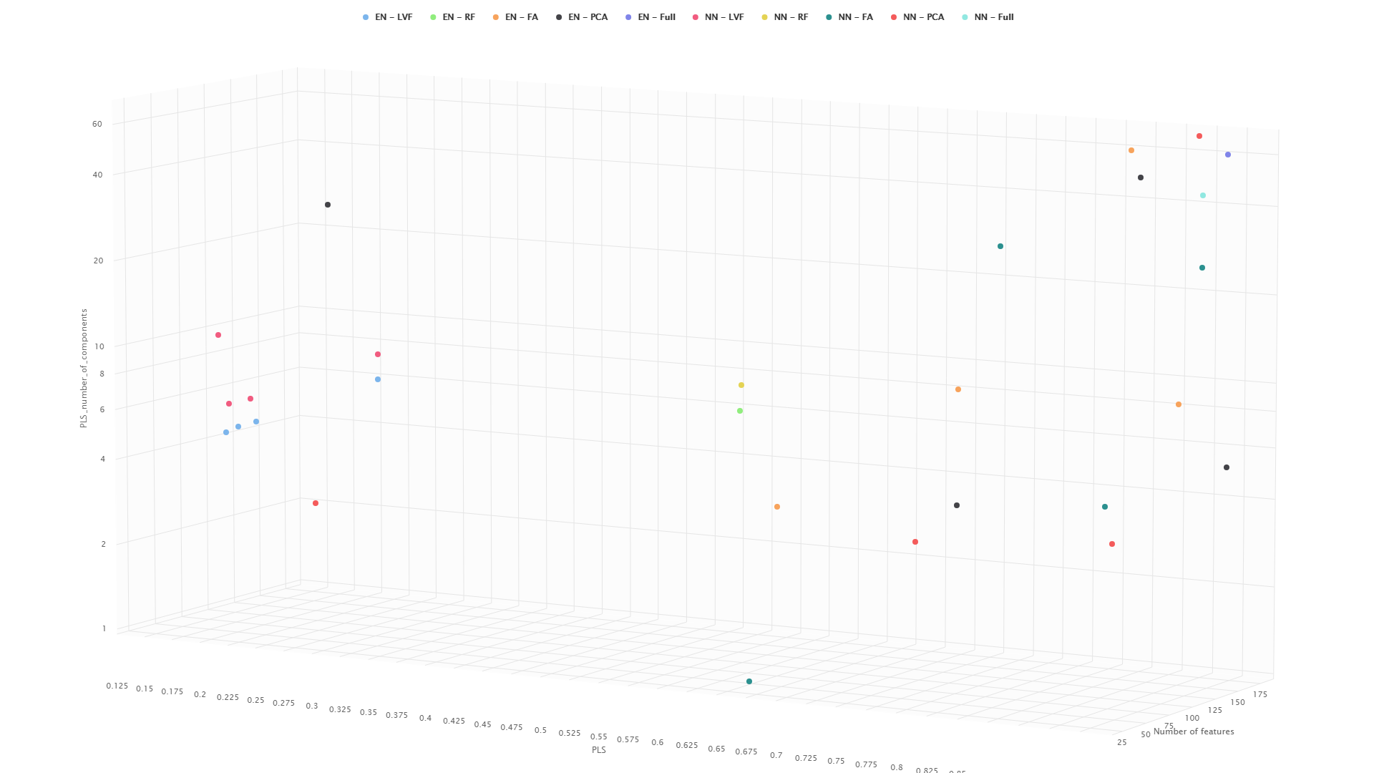
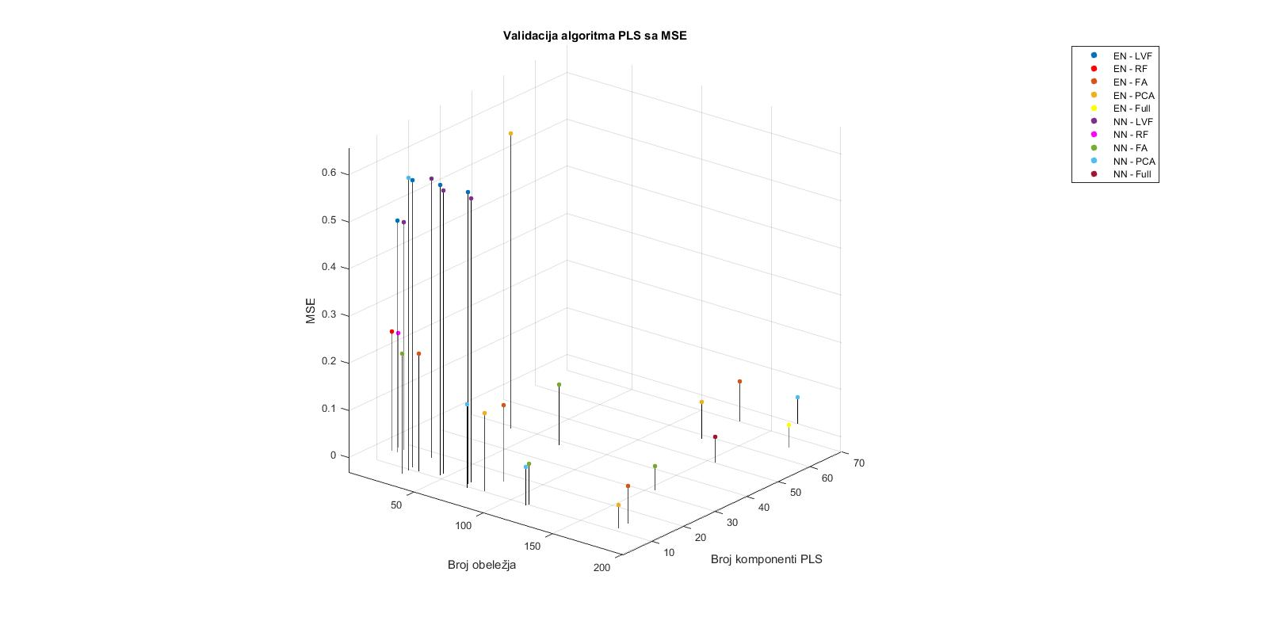
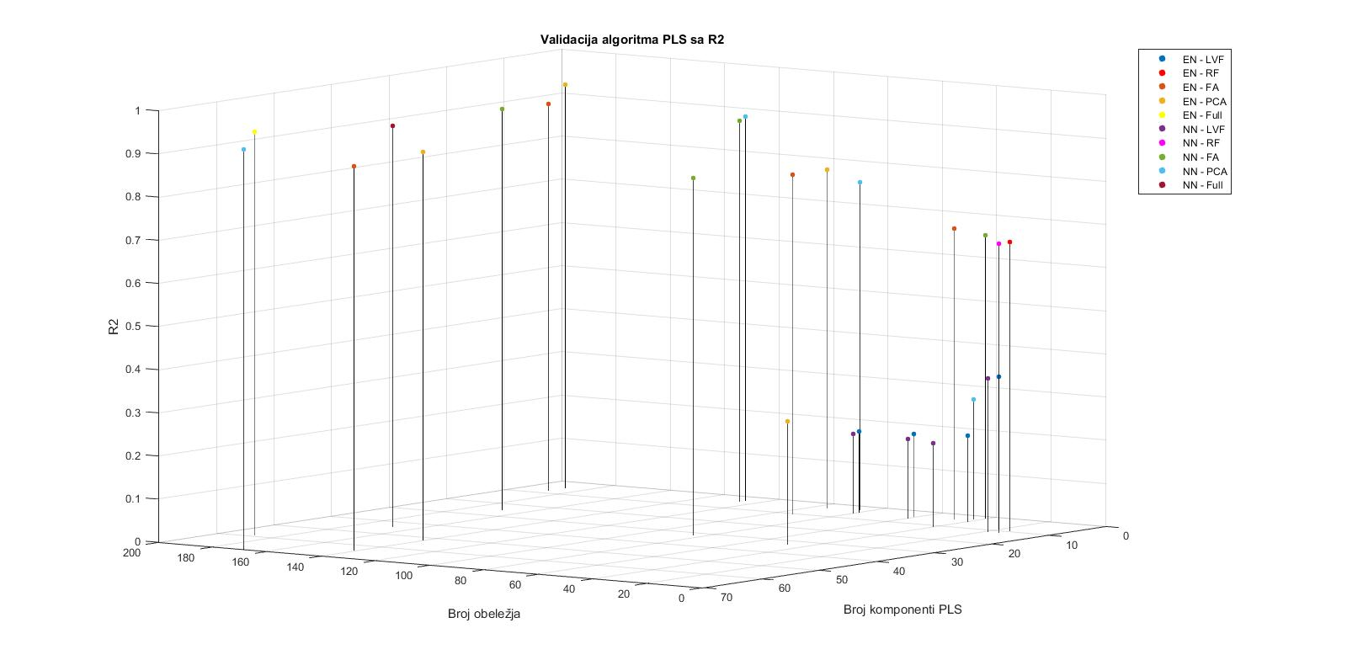
XGBoost predikcija

XGBoost |  | LVF | RF | FA | PCA | Full
MSE | Neuronska | 0.4413 | 0.4062 | 0.7148 | 0.6986 | 0.3156 | 0.3156
 | Elastic net | 0.3966 | 0.3525 | 0.6918 | 0.6205 | 0.3146 | 0.3146
Elastic net predikcija
R2 | Neuronska | 0.336 | 0.3889 | -0.07535 | -0.0511 | 0.5251 | 0.5251
 | Elastic net | 0.3826 | 0.4512 | -0.0768 | -0.0424 | 0.5101 | 0.5101
 |  | 0.3593 | 0.42005 | -0.076075 | -0.04675 | 0.5176

Elastic net |  | LVF | RF | FA | PCA | Full
MSE | Neuronska | 0.4194 | 0.2497 | 0.6665 | 0.5443 | 0.0636 | 0.0636
 | Elastic net | 0.401 | 0.2418 | 0.5446 | 0.4103 | 0.058 | 0.058
R2 | Neuronska | 0.3689 | 0.6242 | -0.0027 | 0.181 | 0.9042 | 0.9042
 | Elastic net | 0.3756 | 0.6235 | 0.1521 | 0.3612 | 0.9097 | 0.9097
 |  | 0.37225 | 0.62385 | 0.0747 | 0.2711 | 0.90695

PLS predikcija
PLS |  | LVF | RF | FA | PCA | Full
MSE | Neuronska | 0.482 | 0.244 | 0.052 | 0.055 | 0.053 | 0.052
 | Elastic net | 0.492 | 0.253 | 0.08 | 0.049 | 0.049 | 0.049
R2 | Neuronska | 0.354 | 0.669 | 0.929 | 0.926 | 0.929 | 0.929
 | Elastic net | 0.354 | 0.668 | 0.896 | 0.936 | 0.935 | 0.936
 |  | 0.354 | 0.6685 | 0.9125 | 0.931 | 0.932

 |  | 0.36185 | 0.5708 | 0.30370833333 | 0.38511666667 | 0.78551666667
 |  |  | 57.08 |  |  | 78.551666667

MSE |  |  |  |  |  |  |  |  | R2
Type | Number of features | PLS_number_of_components | PLS |  |  |  |  |  | Type | Number of features | PLS_number_of_components | PLS
EN - LVF | 20 | 9 | 0.492 |  |  |  |  | 1 | EN - LVF | 20 | 9 | 0.35
EN - LVF | 40 | 5 | 0.609 |  |  |  |  |  | EN - LVF | 40 | 5 | 0.20
EN - LVF | 60 | 5 | 0.615 |  |  |  |  |  | EN - LVF | 60 | 5 | 0.19
EN - LVF | 80 | 5 | 0.618 |  |  |  |  |  | EN - LVF | 80 | 5 | 0.19
EN - RF | 16 | 9 | 0.253 |  |  |  |  | 2 | EN - RF | 16 | 9 | 0.67
EN - FA | 47 | 4 | 0.249 |  |  |  |  | 3 | EN - FA | 47 | 4 | 0.67
EN - FA | 94 | 10 | 0.163 |  |  |  |  |  | EN - FA | 94 | 10 | 0.79
EN - FA | 141 | 64 | 0.083 |  |  |  |  |  | EN - FA | 141 | 64 | 0.89
EN - FA | 188 | 8 | 0.08 |  |  |  |  |  | EN - FA | 188 | 8 | 0.90
EN - PCA | 47 | 33 | 0.625 |  |  |  |  | 4 | EN - PCA | 47 | 33 | 0.29
EN - PCA | 94 | 4 | 0.164 |  |  |  |  |  | EN - PCA | 94 | 4 | 0.79
EN - PCA | 141 | 52 | 0.077 |  |  |  |  |  | EN - PCA | 141 | 52 | 0.90
EN - PCA | 188 | 5 | 0.049 |  |  |  |  |  | EN - PCA | 188 | 5 | 0.94
EN - Full | 188 | 59 | 0.049 |  |  |  |  | 5 | EN - Full | 188 | 59 | 0.94
NN - LVF | 20 | 11 | 0.482 |  |  |  |  | 6 | NN - LVF | 20 | 11 | 0.35
NN - LVF | 40 | 11 | 0.593 |  |  |  |  |  | NN - LVF | 40 | 11 | 0.19
NN - LVF | 60 | 6 | 0.601 |  |  |  |  |  | NN - LVF | 60 | 6 | 0.18
NN - LVF | 80 | 6 | 0.601 |  |  |  |  |  | NN - LVF | 80 | 6 | 0.18
NN - RF | 16 | 11 | 0.244 |  |  |  |  | 7 | NN - RF | 16 | 11 | 0.67
NN - FA | 42 | 1 | 0.255 |  |  |  |  | 8 | NN - FA | 42 | 1 | 0.65
NN - FA | 84 | 32 | 0.127 |  |  |  |  |  | NN - FA | 84 | 32 | 0.83
NN - FA | 126 | 4 | 0.086 |  |  |  |  |  | NN - FA | 126 | 4 | 0.88
NN - FA | 169 | 25 | 0.052 |  |  |  |  |  | NN - FA | 169 | 25 | 0.93
NN - PCA | 42 | 3 | 0.622 |  |  |  |  | 9 | NN - PCA | 42 | 3 | 0.28
NN - PCA | 84 | 3 | 0.177 |  |  |  |  |  | NN - PCA | 84 | 3 | 0.76
NN - PCA | 126 | 3 | 0.082 |  |  |  |  |  | NN - PCA | 126 | 3 | 0.89
NN - PCA | 169 | 70 | 0.055 |  |  |  |  |  | NN - PCA | 169 | 70 | 0.93
NN - Full | 169 | 44 | 0.053 |  |  |  |  | 10 | NN - Full | 169 | 44 | 0.93
 |  | 17.928571429 |  |  |  |  |  |  |  |  | 17.928571429

Tabele
Naziv excel/csv tabele (kao u zipu) | Ko radi na tabeli? | Naziv excel/csv tabele (kao na GitHub-u) | Od-Do godine | Koliko ima država? | Hist. - očekivanje | Hist. - varijansa | Koliko podataka ima? | Fali % | Prihvaćen/Odbijen (potreban razlog kod odbijanja)
Life expectancy at birth.xls | m | (izbacena) | 1960-2017 | - | - | - | - | - | puno podataka nedostaje
international_migration_database.xls | s | (izbacena) | 2000-2018 | - | - | - | - | - | premalo država
HEFPIEXCEL.xlsx | s | (izbacena) | 1982-2018 | - | - | - | - | - | puno podataka nedostaje
agricultural_methane_emission.xlsx | b | agricultural_methane_emission.xlsx | 1970-2008 | 196 | 1989 | 11 | 8463 | 9.38% | ok
arms_import_export.xlsx | m | arms_exportSredjeno.xlsx | 1960-2018 | 53 | 1989 | 17 | 12803 | 83.58% | puno podataka nedostaje
Child-marriage-database_Oct-2019.xlsx | s | child_marriage_filtered.ods | 2012-2018 | - | - | - | - | - | nedostaju godine
co-emission-per-capita.csv | m | co-emissions-per-capita.csv | 1800-2017 | 196 | 1909 | 63 | 42844 | 0.00% | ok
corruption_perceptions_index.csv | b | corruption_perceptions_index.xlsx | 1998-2015 | 180 | 2007 | 5 | 4086 | 34.78% | puno podataka nedostaje
DataCorruptionPerceptionIndex2000_2017.xlsx | s | CoruptionPerceptionIndex_filtered.xlsx | 2000-2017 | 180 | 2009 | 5 | 3240 | 12.65% | ok
country_metadata.xlsx | b | country_metadata.xlsx | - | 263 | - | - | 263 | 17.49% | ok
cousin-marriage-data.csv | s | cousin-marriage-data.csv | nema | - | - | - | - | - | nedostaju godine
daily-per-capita-supply-of-calories.csv | m | daily-per-capita-supply-of-calories.csv | 1961-2013 | 166 | 1985 | 26 | 9551 | 0.00% | ok
death_rate.xls | b | death_rate.xlsx | 1960-2017 | 264 | 1989 | 17 | 15312 | 0.00% | ok
DP_LIVE.csv | s | DP_LIVE.csv | 2014, 2019 | - | - | - | - | - | nedostaju godine
earnings_wages.csv | b | earnings_wages.xlsx | 1970-2018 | 26 | 2004 | 11 | 641 | 0,78%;52,73% | premalo država
electricity.xlsx | b | electricity.xlsx | 1990-2017 | 217 | 2006 | 8 | 6076 | 0.00% | ok
employers_percentage.csv | b | employers_percentage.xlsx | 2009-2018 | 187 | 2014 | 3 | 1870 | 0.00% | ok
fertility_rate_births_per_women.xls | b | fertility_rate_births_per_women.xlsx | 1960-2017 | 264 | 1989 | 17 | 15312 | 0.00% | ok
Freedom_of_the_Press_Data.xlsx | b | Freedom_of_the_Press_Data.xlsx | 1994-2017 | 201 | 2006 | 7 | 4824 | 3,94%;4,37% | ok
Global_Media_Freedom_Dataset.csv | b | Global_Media_Freedom_Dataset.xlsx | 1948-2014 | 194 | 1986 | 18 | 10104 | 0.00% | ok
Global_State_of_Democracy_Dataset.csv | b | Global_State_of_Democracy_Dataset.xlsx | 1975-2018 | 186 | 1997 | 13 | 7836 | 0%-49,54% | konfuzni podaci
happines_201X.csv | m | happines_201xSredjeno.csv | 2015-2017 | 155 | 2016 | 1 | 470 | 0.00% | nedostaju godine
hours_worked.csv | s | hours_worked.csv | 1950-2018 | 38 | 1996 | 16 | 1472 | 0.00% | premalo država
human-rights-scores.csv | m | human-rights-scores.csv | 1946-2017 | 193 | 1985 | 20 | 11717 | 0.00% | ok
inflation.xlsx | s | inflation.xlsx | 1960-2018 | 160 | 1989 | 17 | 12803 | 39.89% | ok
internet_users.xls | s | internet_users_filtered.xlsx | 1960-2018 | 264 | 1990 | 17 | 15840 | 0.00% | ok
iso3.xlsx | s | iso3.xlsx | nema | 250 | - | - | 250 | 0.00% | vec ima u drugim tabelama ovi podaci
life_satisfaction.csv | s | life_satisfaction.csv | 2005-2018 | 142 | 2012 | 4 | 1704 | 0.00% | ok
metadata_Country.csv | m | metadata_Country.csv | nema | 214 | - | - | 214 | 0.00% | ok
military_expenditure.xlsx | s | military_expenditure_formated.xlsx | 1960-2018 | 150 | 1982 | 15 | 7188 | 1,84%-3,19% | ok
names.xlsx | m | names.xlsx | nema | 249 | - | - | 249 | 0.00% | vec ima u drugim tabelama ovi podaci
political-regime-updated2016.csv | s | political-regime-updated2016.csv | 1816-2015 | 155 | 1919 | 58 | 29157 | 0.00% | ok
population_density.xlsx | b | population_density.xlsx | 1961-2018 | 217 | 1990 | 17 | 12586 | 3.37% | ok
PTS-2019.xlsx | s | PTS-2019.xlsx | 1976-2018 | 182 | 1997 | 12 | 9069 | 18.37% | ok
religions.csv | m | religions.xlsx | vazi uvek | 210 | - | - | 210 | 0.00% | ok
school_enrollment.xls | b | school_enrollment.xlsx | 1960-2019 | 264 | 1990 | 17 | 15840 | 11,03%-98,47% | puno podataka nedostaje
schooling.xlsx | b | schooling.xlsx | 1960-2017 | 160 | 1990 | 17 | 13020 | 43,51%-58,33% | puno podataka nedostaje
share-of-individuals-using-the-internet.csv | m | share-of-individuals-using-the-internet.csv | 1960-2017 | 195 | 2004 | 8 | 6056 | 6.95% | vec ima u drugim tabelama ovi podaci
shares_of_suicides.xls | m | shares_of_suicides.xls | 1990-2017 | 231 | 2004 | 8 | 6468 |  | ok
share-with-alcohol-or-drug-use-disorders.csv | m | share-with-alcohol-or-drug-use-disorders.csv | 1990-2016 | 196 | 2003 | 8 | 6156 | 0.00% | ok
share-with-an-eating-disorder.csv | m | share-with-an-eating-disorder.csv | 1990-2017 | 196 | 2004 | 8 | 6468 | 0.00% | ok
share-with-depression.csv | m | share-with-depression.csv | 1990-2017 | 196 | 2004 | 8 | 6468 | 0.00% | ok
share-with-mental-and-substance-disorders.csv | m | share-with-mental-and-substance-disorders.csv | 1990-2017 | 196 | 2004 | 8 | 6468 | 0.00% | ok
suicide_rates.csv | s | suicide_rates.csv | 1985-2016 | 80 | 2001 | 8 | 27820 | 84,64%-88,71% | puno podataka nedostaje
UN_MigrantStockByOriginAndDestination_2019.xlsx | b | UN_MigrantStockByOriginAndDestination_2019.xlsx | 1990-2019 | 232 | 2005 | 10 | 1624 | 0.00% | ok
unemployment.xlsx | b | unemployment.xlsx | 1960-2018 | 90 | 1990 | 17 | 13020 | 71.40% | ok
urban_population_growth.xlsx | m | urban_population_growth_sredjeno.xlsx | 1960-2018 | 212 | 1989 | 17 | 12803 | 1.80% | ok
Violent-discipline-database_Oct-2019 | m | ViolenceSredjeno.xlsx | nema | - | - | - | - | - | puno podataka nedostaje
Intra-StateWarData_v4.1.csv | s | wars_formated.csv | 1818-2007 | 127 | 1945 | 56 | 1349 | 0.00% | puno podataka nedostaje

 |  |  |  |  | prihavaćene tabele | konfuzni podaci | premalo država | podaci se vec nalaze u drugim tabelama | premalo godina | previse podataka nedostaje |  | Aleksandar | Boris | Marko
 |  |  |  |  | 29 | 1 | 3 | 3 | 4 | 9 | Raspodela analize tabela | 16 | 16 | 17
 |  |  |  |  | 59.18% | 2.04% | 6.12% | 6.12% | 8.16% | 18.37%

prihavaćene tabele | 29 | 59.18%
konfuzni podaci | 1 | 2.04%
premalo država | 3 | 6.12%
podaci se vec nalaze u drugim tabelama | 3 | 6.12%
premalo godina | 4 | 8.16%
previse podataka nedostaje | 9 | 18.37%

